Sheet1
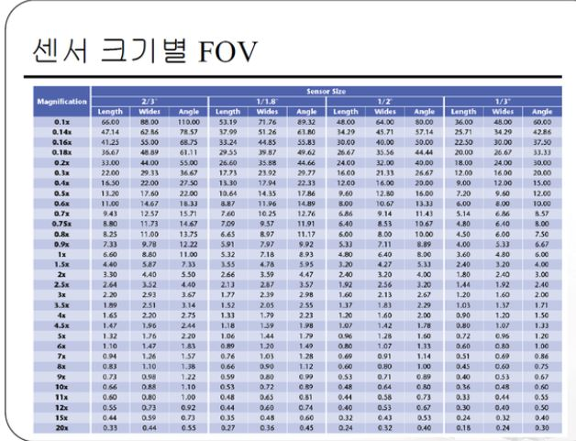
Lens Calculation

Sensor |  |  |  |  | Sensor 기본사이즈 정보 |  |  | SONY XCL-C500
Width |  | mm |  |  | 1인치 | 12.8 | 9.6
Height |  | mm |  |  | 2/3인치 | 8.8 | 6.6 | 해상도 : 2448 * 2048
 |  |  |  |  | 1/1.8인치 | 7.176 | 5.319 | CELL SIZE : 3.45 * 3.45 um
Field Of View | fov = wd * sensor size / focal Length |  |  |  | 1/2인치 | 6.4 | 4.8 | FOV : 0.3x LENS : 2448 * 3.45 / 0.3 / 1000 = 28.15 mm (W)
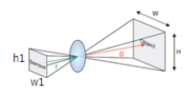
 |  |  |  |  | 1/3인치 | 4.8 | 3.6 |  | 2048 * 3.45 / 0.3 / 1000 = 23.55 mm (H)

 |  |  |  |  |  |  |  | 1000은 um을 mm로 환산

Focal Length |  | mm | FOV.W | #DIV/0! | mm
Working Distance |  | mm | FOV.H | #DIV/0! | mm

Focal Length | Focal Length = wd * sensor size / fov
Object Width(FOV.W) |  | mm | Focal Lengh | #DIV/0! | mm
Object Height(FOV.H) |  | mm | Focal Lengh | #DIV/0! | mm
Working Distance(D) |  | mm

